Cover
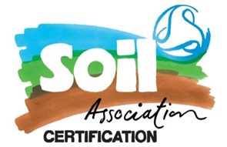 |  |  | SA Certification Forest Certification Public Report | 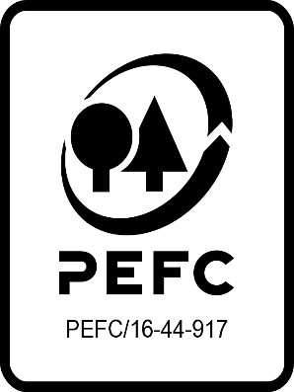

Forest Manager/Owner/organisation (Certificate Holder): |  |  | Scottish Woodlands Limited

Forest Name/Group Name: |  |  | Scottish Woodlands Limited
Region and Country: |  |  | Scotland
Standard: |  |  | PEFC Forest Management Standard - United Kingdom Woodland Assurance Standard version 4 for UK
Certificate Code: |  |  | SA-PEFC-FM-010210
PEFC License Code: |  |  | PEFC/16-40-1000
Date of certificate issue: |  |  | 2024-06-01
Date of expiry of certificate: |  |  | 2029-05-31

 | Assessment date | Date Report Finalised/ Updated | SA Auditor | Checked by | Approved by
PA
RA | 14 - 28 March 2024 | 30/05/2024 05/06/2024 08/07/2024 11/09/2024 18/10/2024 06/11/2024 10/12/2024 | Rebecca Haskell, Ian Rowland | Bernardo Hauri | Janette McKay
S1 | 31 March - 11 April 2025 | 19/05/2025 02/06/2025 16/07/2025 22/07/2025 | Rebecca Haskell, Carol Robertson | Bernardo Hauri | Bernardo Hauri
S2
S3
S4

Disclaimer: auditing is based on a sampling process of the available information.
Please note that the main text of this report is publicly available on request

Soil Association Certification Ltd • United Kingdom
Telephone (+44) (0) 117 914 2435
Email forestry@soilassociation.org • www.soilassociation.org/forestry

Soil Association Certification Ltd • Company Registration No. 726903
A wholly-owned subsidiary of the Soil Association Charity No. 20686

RT-FM-001a-06.1 June 2022. © Produced by Soil Association Certification Limited

A11a Cert Decsn
 | Soil Association Certification Decision
Description of client / certificate holder
Name: | Scottish Woodlands Limited
Code: | SA-PEFC-FM-010210
Country | Scotland
# of sites: | 260
# of ha: | 102502.27
Presence of indigenous people: | No

Summary of audit
Type | S1
Names of auditors: | Rebecca Haskell, Carol Robertson
Report Reviewer | Bernardo Hauri
SA Certification staff member recommending certification decision | 2025-05-08

Report summary
# of pre-conditions | 0
# of MAJOR conditions | One (2 of which 1 closed prior to report finalisation)
# of Minor conditions | Four (7 of which 3 closed during audit)
# of observations | One
Describe any potentially contentious issues. | None
Location of report | Filed under: Forestry/Certification records

Recommendation
I have reviewed the report of this assessment (including stakeholder consultation and peer review summary as appropriate) and | I recommend that the certification decision for approval by SA Cert subject to compliance with the CARs listed above.
Date:

Approval
Certification Decision: | Approved: Maintain /grant certification
Name: | Bernardo Hauri
Certification Decision made on behalf of Soil Association Certification Ltd: | Bernardo Hauri
Date: | 2025-05-19

Soil Association Certification • United Kingdom
Telephone (+44) (0) 117 914 2435
Email forestry@soilassocation.org ● www.soilassociation.org/forestry

Soil Association Certification Ltd • Company Registration No. 726903
A wholly-owned subsidiary of the Soil Association Charity No. 20686

A12a Product schedule
 | Product Schedule |  | 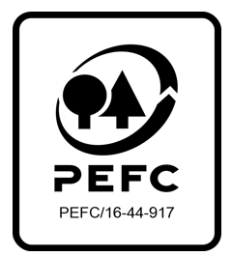

This schedule details the products which are included in the scope of the company's certification. It shall accompany the PEFC certificate. If the product scope changes a new schedule will be issued.

Certificate scope including products and certified sites may also be checked on the PEFC database www.pefc.org
Description of client / certificate holder
Name: | Scottish Woodlands Limited
Address: | Scottish Woodlands Ltd, Research Park, Riccarton, Edinburgh, EH14 4AP
Country | Scotland
Code: | SA-PEFC-FM-010210
Type of certificate | Group
Date of issue: | 1-Jun-24 | Date of expiry: | 31-May-29

Product Groups available from this certificate holder include:
PEFC Status | Product Category | Product code | Species
100% PEFC certified | Sawlogs and veneer logs | 001010 | 1 & 3
100% PEFC certified | Pulpwood | 001020 | 1 & 3
100% PEFC certified | Chips and particles | 001030 | 1 & 3
100% PEFC certified | Wood residues | 001040 | 1 & 3
Approval
Name:
Signed:
Date:

Soil Association Certification Ltd • United Kingdom
Telephone (+44) (0) 117 914 2435
Email forestry@soilassociation.org ● www.soilassociation.org/forestry

Soil Association Certification Ltd • Company Registration No. 726903
A wholly-owned subsidiary of the Soil Association Charity No. 20686
PEFC Licence Code PEFC / 16-44-917

